Command
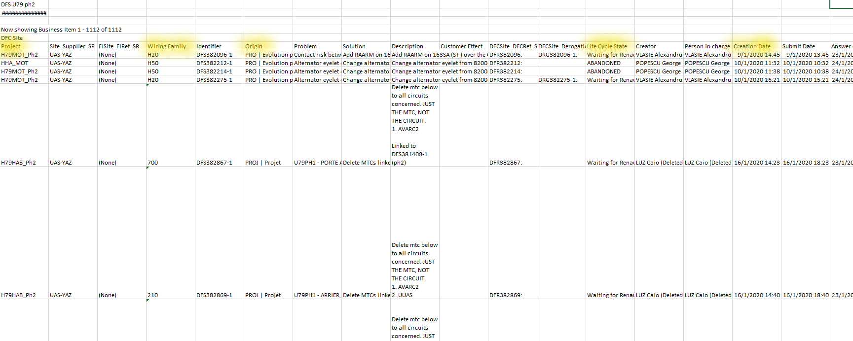
CO | TGA | ABVC | PT1 | PT2 | PPC | MA | SOP | Week Format
S0120 | S2520 | S5220 | S0121 | S2521 | S5221 | S0122 | S4422 | S+XX(week)+YY(year)
 |  |  |  |  |  |  |  | If week is lower than 10, add a 0
 |  |  |  |  |  |  |  | Examples: S0321, S2122, S0120

DFS Chart Generator
Import DFS Register
Delete DFS Register
Generate Graph
Delete Graph
 |  |  |  |  |  |  |  | Format to be met by the DFS register for the macro to work
 |  |  |  |  |  |  |  | In the first column,one row has to be named "Project" where all labels are displayed
 |  |  |  |  |  |  |  | Inside this "Project" row, columns "Wiring Family", "Origin", "Life Cycle State" and "Creation Date" must be in some place, order doesn´t matter. This names are case sensitive, so upper and lower cases MUST be considered

